Sampling scheme
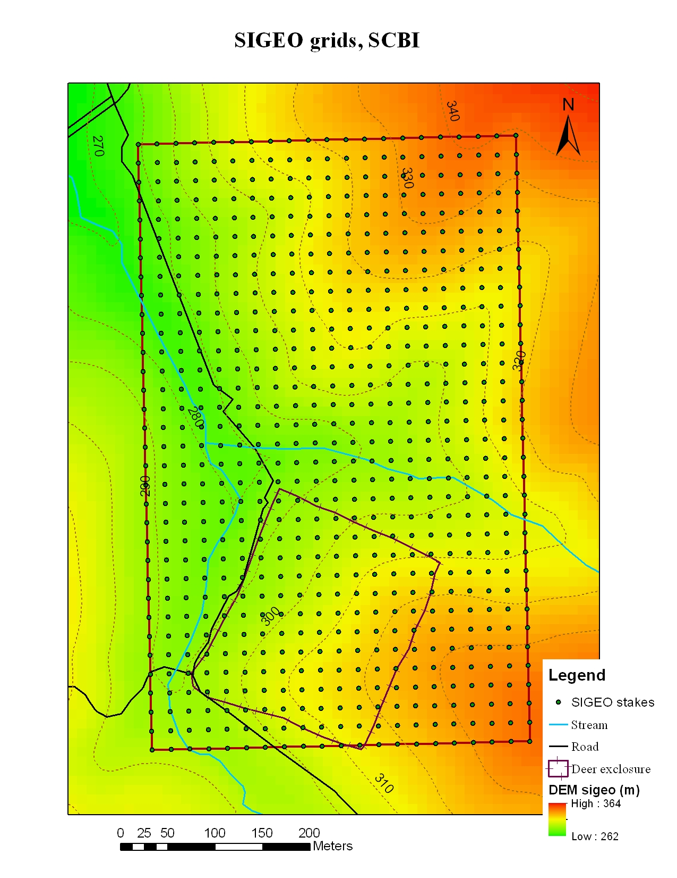
 |  |  |  |  |  |  |  |  |  |  |  |  |  | Floodplain
600 |  |  |  |  |  |  |  |  |  | 100
550 | HECTARE 6 |  | HECTARE 12 |  | HECTARE 18 |  | HECTARE 24 |  |  | 80
500 |  |  |  |  |  |  |  |  |  | 60
450 | HECTARE 5 |  | HECTARE 11 |  | HECTARE 17 |  | HECTARE 23 |  |  | 40
400 |  |  |  |  |  |  |  |  |  | 20
350 | HECTARE 4 |  | HECTARE 10 |  | HECTARE 16 |  | HECTARE 22 |  |  | 0
300 |  |  |  |  |  |  |  |  |  |  | 0 | 20 | 40 | 60 | 80 | 100
250 | HECTARE 3 |  | HECTARE 9 |  | HECTARE 15 |  | HECTARE 21
200
150 | HECTARE 2 |  | HECTARE 8 |  | HECTARE 14 |  | HECTARE 20 |  |  |  |  |  |  |  |  |  | 20 m
100
50 | HECTARE 1 |  | HECTARE 7 |  | HECTARE 13 |  | HECTARE 19
0
 | 0 | 50 | 100 | 150 | 200 | 250 | 300 | 350 | 400 |  |  |  |  | 20 m

 |  |  |  |  |  |  |  |  |  |  |  | Surface: Litter, 0-10 cm
 |  |  |  |  |  |  |  |  |  |  |  | Medium: Litter, 0-10 cm, 10-20 cm, 20-30 cm, 30-50 cm, 50-100 cm
 |  |  |  |  |  |  |  |  |  |  |  | Deep: Litter, 0-10 cm, 10-20 cm, 20-30 cm, 30-50 cm, 50-100 cm,
 |  |  |  |  |  |  |  |  |  |  |  | 100-150 cm, 150-200 cm, 200-250 cm, 250-300 cm

